Games Cue Sheets
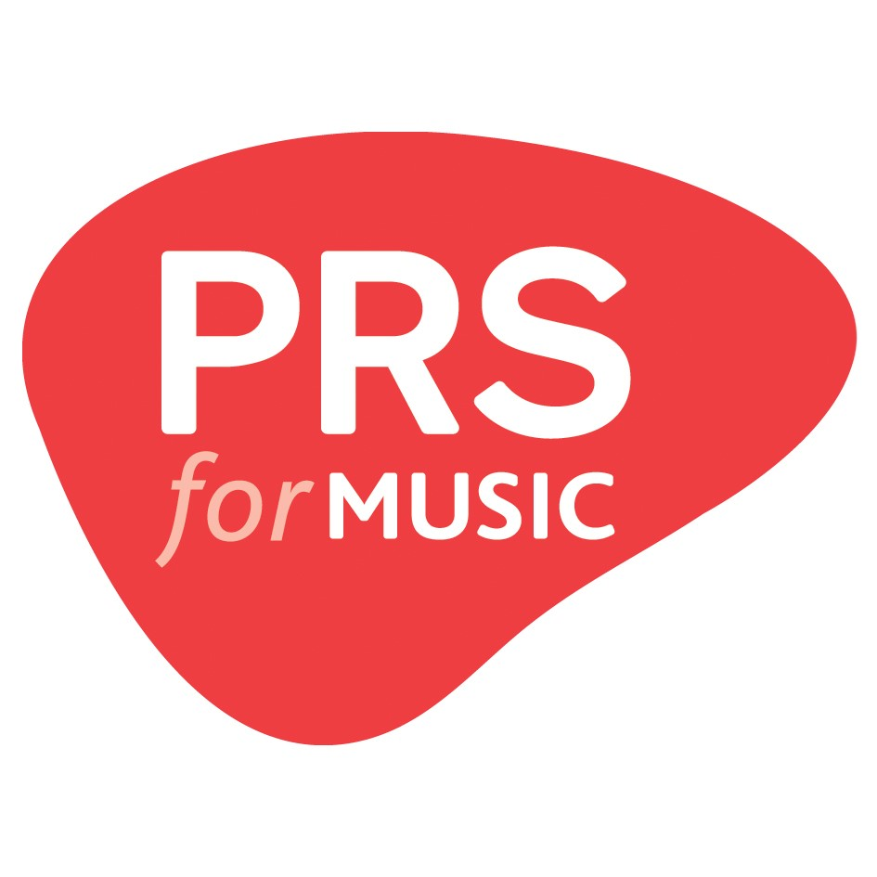 Cue sheet: Sony PlayStation games 2020 to 2021 Required information is in bold below Hover over the titles below for definitions Fill out one row per unique piece of music. If you're claiming royalties for music used in multiple games, you can do so within this sheet.
Production ID | Production Title | Sequence Number | Music Title | Composer(s) | Publisher(s) | Artist/ Performer | Duration (Minutes) | Duration (Seconds) | Product Catalogue Number | Music Usage | Music Source | Music specially commissioned? (Y/N) | Tunecode

