Film Trailer Cue Sheets
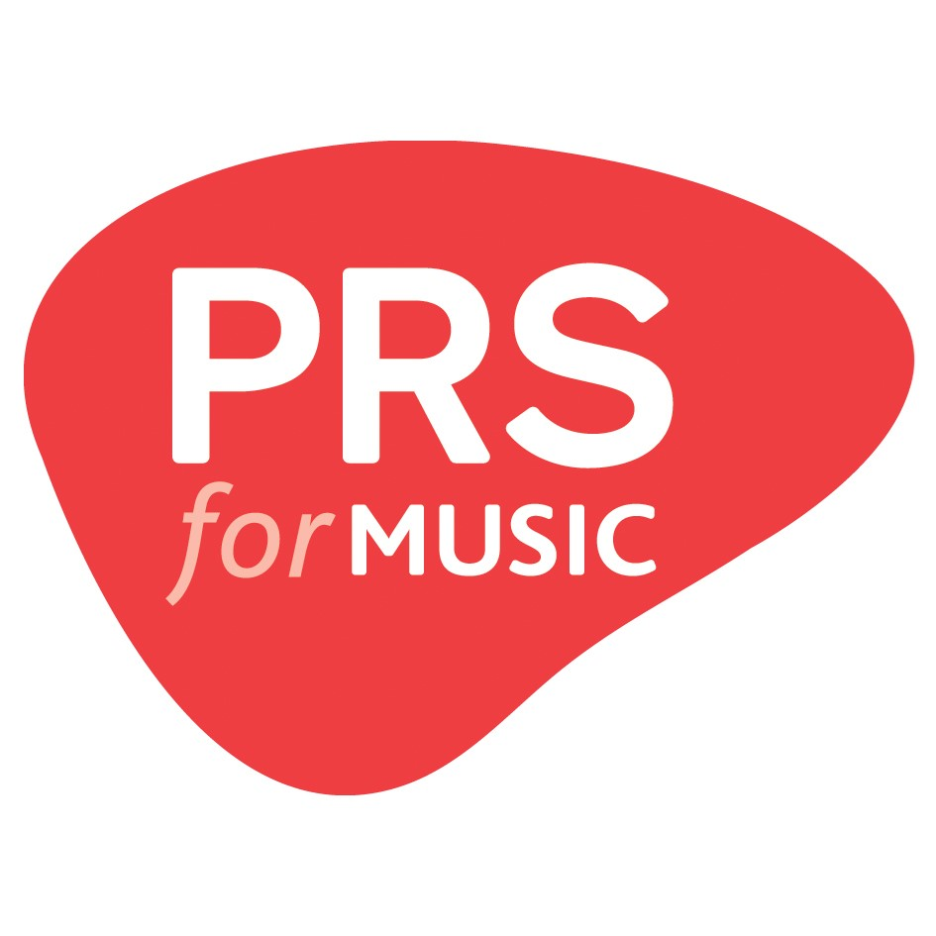 Cue sheet: 2020 films, trailer music Fill out one row per unique piece of music. If you're claiming royalties for music used in multiple films, you can do so within this sheet.
FILM TITLE | MUSIC TITLE | COMPOSER(s) or AUTHOR(s) | PUBLISHER(s) | MUSIC SOURCE | DURATION (Seconds) | TUNECODE

